PT. SUPARMA JAYA TBK (Tissue)
DATE | INV NO. | DESCRIPTIONS | AMOUNT | BILLS | PRICE | TOTAL
2-Feb-2026 | SO05LC2602000202/00 | SEE-U HTM DE / ECONO RED / 20 PK FSC MIX 85% / SUHT-046NN | 80 | 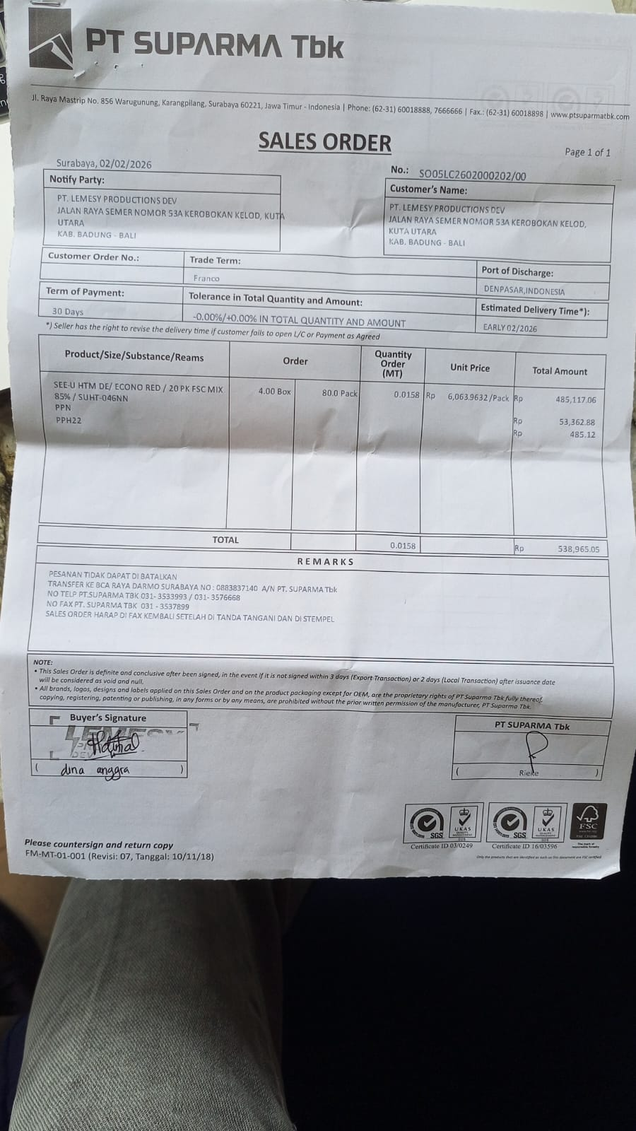 | Rp6,063.9632 | Rp485,117.06

 | SALES PRICE |  |  |  |  | Rp485,117.06
 | PPN |  |  |  |  | Rp53,362.88
 | PPh 22 |  |  |  |  | Rp485.12
 | TOTAL |  |  |  |  | Rp538,965.05
19-Feb-2026 | SO05LC2602002826/00 | SEE-U HTM DE / ECONO RED / 20 PK FSC MIX 85% / SUHT-046NN | 120 | 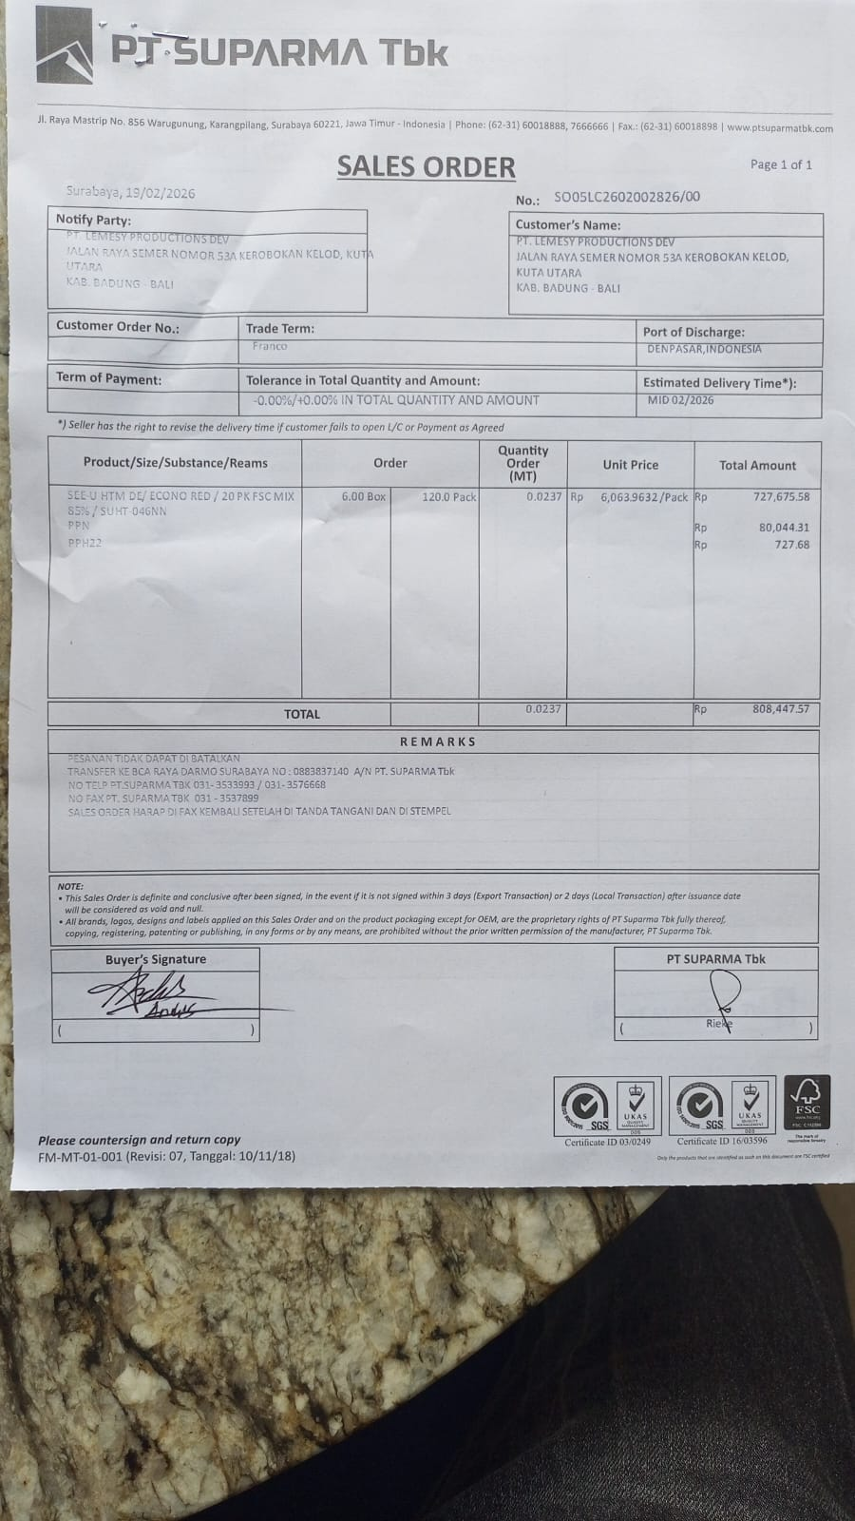 | Rp6,063.9632 | Rp727,675.58
 | SALES PRICE |  |  |  |  | Rp727,675.58
 | PPN |  |  |  |  | Rp80,044.31
 | PPh 22 |  |  |  |  | Rp727.68
 | TOTAL |  |  |  |  | Rp808,447.57
GRAND TOTAL |  |  |  | Rp1,347,412

